Documentation
Last name | First name | IU e-mail address
Gore | Casey | cjgore@iu.edu
Liuwie | Kelvin | kliuwie@iu.edu
Zelenka | Michael | mwzelenk@indiana.edu

Please record the names of contributors here. Thanks!

Model
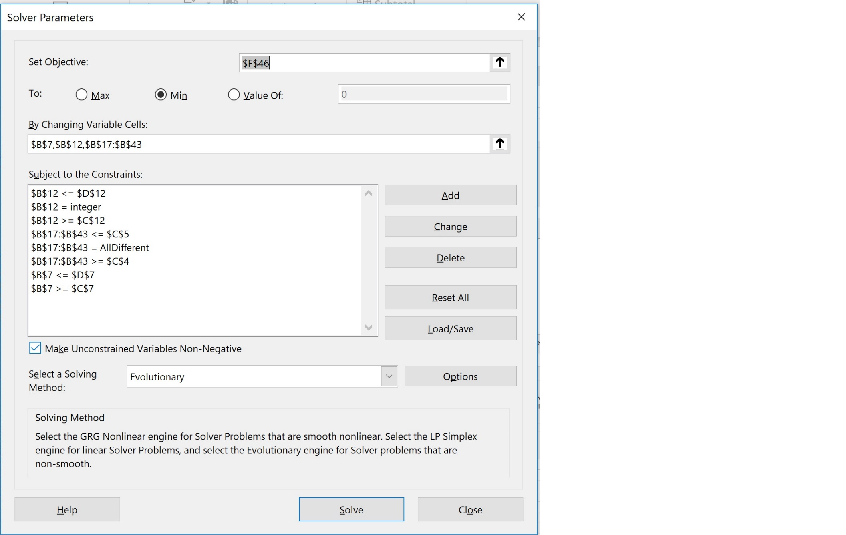
Reminders
* On the Model worksheet (this should be where you set up Solver), include a screenshot of the main Solver window as you set it up (showing objective cell, constraint list, etc.).
* Solver must have been run three times in succession, using each result as the starting point for the next run, and the file that you submit must contain the result of the third run.
* Don't forget to answer the question on the Question sheet.
 |  |  |  | Penalty Value | 500
Constraints
LP | 1 |  |  | Penalty Date | Location | Start Date | Finish Date | Penalty
UP | 27 |  |  | 2019-05-12 | Barcelona, Spain | 2019-08-27 | 2019-08-30 | 500
Start Date | Min | Max |  | 2019-07-14 | London, England | 2019-07-12 | 2019-07-17 | 0
2019-04-15 | 2019-01-01 | 2020-01-01 |  | 2019-07-14 | Birmingham, England | 2019-07-18 | 2019-07-24 | 500
Fix/Day | 8 |  |  | 2019-09-08 | Milan, Italy | 2019-09-03 | 2019-09-09 | 0
Distance/Day | 300
 |  |  |  |  |  |  | Total Penalty | 1000
Home Base | Min | Max
2 | 1 | 6

 | City Name | Latitude | Longitutde | Distance | Days To Arrive To This Location | Starting Date | Fleet | Days to fix | New Finish Date
Starting Location | Casalecchio di Reno, Italy | 11.2833 | 48.4333 |  |  | 2019-04-15
20 | Munich, Germany | 11.583333333 | 48.133333333 | 28.998329427 | 1 | 2019-04-16 | 10 | 2 | 2019-04-18
23 | Prague, Czech Republic | 14.433333333 | 50.083333333 | 236.00763721 | 1 | 2019-04-19 | 24 | 3 | 2019-04-24
25 | Vienna, Austria | 16.333333333 | 48.233333333 | 179.54595742 | 1 | 2019-04-25 | 19 | 3 | 2019-04-30
6 | Budapest, Hungary | 19.083333333 | 47.5 | 195.69980319 | 1 | 2019-05-01 | 24 | 3 | 2019-05-06
26 | Warsaw, Poland | 21 | 52.233333333 | 332.7614261 | 2 | 2019-05-08 | 19 | 3 | 2019-05-13
13 | Helsinki, Finland | 25 | 60.166666667 | 568.3531667 | 2 | 2019-05-15 | 17 | 3 | 2019-05-20
24 | Stockholm, Sweden | 18.05 | 59.333333333 | 482.66525737 | 2 | 2019-05-22 | 12 | 2 | 2019-05-24
21 | Oslo, Norway | 10.75 | 59.916666667 | 505.2543246 | 2 | 2019-05-28 | 24 | 3 | 2019-05-31
11 | Gothenburg, Sweden | 11.9746 | 57.7089 | 171.49821089 | 1 | 2019-06-03 | 12 | 2 | 2019-06-05
8 | Copenhagen, Denmark | 12.566666667 | 55.666666667 | 143.66880115 | 1 | 2019-06-06 | 23 | 3 | 2019-06-11
4 | Berlin, Germany | 13.416666667 | 52.5 | 220.77841959 | 1 | 2019-06-12 | 14 | 2 | 2019-06-14
12 | Hanover, Germany | 9.732 | 52.3759 | 254.38244743 | 1 | 2019-06-17 | 25 | 4 | 2019-06-21
7 | Cologne, Germany | 6.9667 | 50.95 | 214.41108107 | 1 | 2019-06-24 | 11 | 2 | 2019-06-26
1 | Amsterdam, Netherlands | 4.8833333333 | 52.366666667 | 173.71836284 | 1 | 2019-06-27 | 17 | 3 | 2019-07-02
2 | Antwerp, Belgium | 4.4 | 51.2167 | 85.961521864 | 1 | 2019-07-03 | 15 | 2 | 2019-07-05
22 | Paris, France | 2.3333333333 | 48.866666667 | 216.01086447 | 1 | 2019-07-08 | 17 | 3 | 2019-07-11
15 | London, England | -0.45167 | 51.475289 | 263.47222126 | 1 | 2019-07-12 | 19 | 3 | 2019-07-17
5 | Birmingham, England | -1.9166666667 | 52.416666667 | 120.18650532 | 1 | 2019-07-18 | 25 | 4 | 2019-07-24
17 | Manchester, England | -2.25 | 53.5 | 78.256846759 | 1 | 2019-07-25 | 25 | 4 | 2019-07-31
10 | Glasgow, United Kingdom | -4.25 | 55.883333333 | 214.51646045 | 1 | 2019-08-01 | 17 | 3 | 2019-08-06
9 | Dublin, Ireland | -6.25 | 53.333333333 | 222.98940073 | 1 | 2019-08-07 | 14 | 2 | 2019-08-09
14 | Lisbon, Portugal | -9.15 | 38.733333333 | 1015.9256528 | 4 | 2019-08-15 | 13 | 2 | 2019-08-19
16 | Madrid, Spain | -3.6833333333 | 40.4 | 394.32026422 | 2 | 2019-08-21 | 11 | 2 | 2019-08-23
3 | Barcelona, Spain | 2.1833333333 | 41.383333333 | 410.45501087 | 2 | 2019-08-27 | 17 | 3 | 2019-08-30
19 | Milan, Italy | 9.2833333333 | 45.45 | 562.94950907 | 2 | 2019-09-03 | 25 | 4 | 2019-09-09
27 | Zürich, Switzerland | 8.5166666667 | 47.35 | 140.20511101 | 1 | 2019-09-10 | 20 | 3 | 2019-09-13
18 | Mannheim, Germany | 8.466 | 49.4875 | 146.13386923 | 1 | 2019-09-16 | 11 | 2 | 2019-09-18
 | Casalecchio di Reno, Italy | 11.2833 | 48.4333 | 207.10437108 | 1 | 2019-09-19 |  |  | 2019-09-19

 |  |  | Total Distance | 8786.2308342

Question
Please answer the question in this text box.
What real-world meaning does the 500 penalty have? Perhaps think of it this way—what would it mean to change that to 200? To change it to 1000? What would it mean if missing different Formula 1 races carried different penalties? Be specific, and make sure that you connect this to the purpose of the model and its value to management.
The 500 penalty means that missing said event cost the equivalent of travelling 500 units. The purpose of this penalty is to discourage solver from choosing solutions that have miss the important events.
If the 500 penalty were changed to 200, that means that missing the events would cost the equivalent of travelling 200 units. Since this penalty is less, the tradeoff of missing the events is less which means that solutions that miss the events are more likely to be chosen. If the 500 penalty were changed to 1000, solutions that miss events would be seen as less feasible than those at a 500 penalty. If different events carried different penalties, this means that missing certain events is more damaging than others. When calculating our solution, possible solutions that do not miss the more penalized event would be seen as more feasible.
The use of penalties in our model is intended to make sure that the solver accounts for these events that are important to the company.

